Use_Case
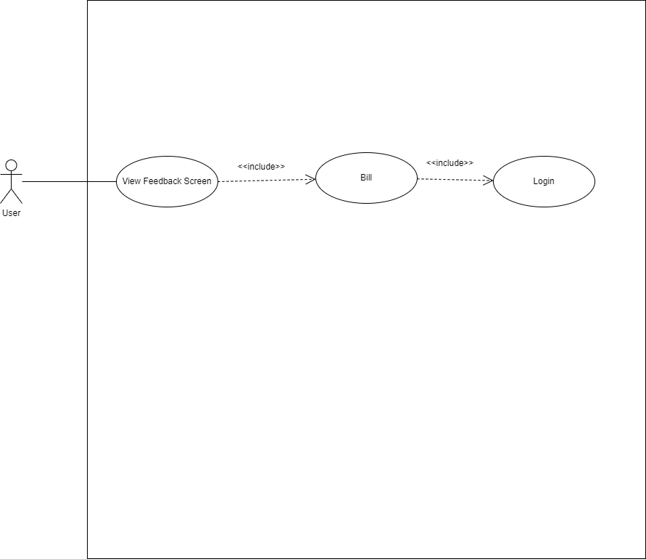
6.2.2 Màn hình phản hồi

Class_Diagram
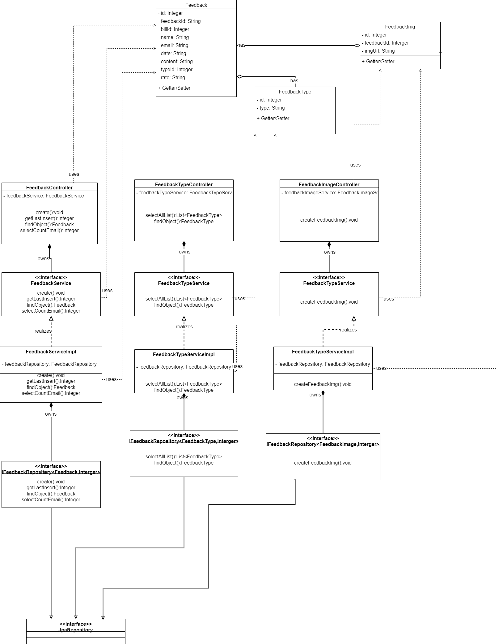
6.2.2 Màn hình phản hồi

Sequence_Diagram
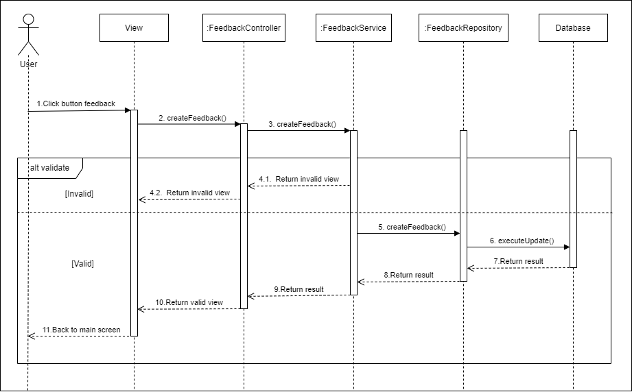
6.2.2 Màn hình phản hồi

